From Fusion 360
SubAssy | Category | Thumbnail | Part Name | Part Description | Make/Buy | QTY | provided | provision notes | Comment | Vendor | Vendor URL | ID
FRAME | Hardware | 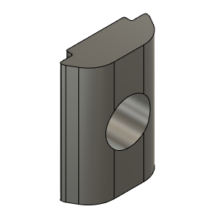 | M6_TSlot_Nut | Nut, T-Slot - M6 for 3030 profile | Buy | 104 | 104 | carbon steel |  | HevORT.com | www.HevORT.com | e16f1780a2ab44908167b041033f4867
FRAME | Hardware | 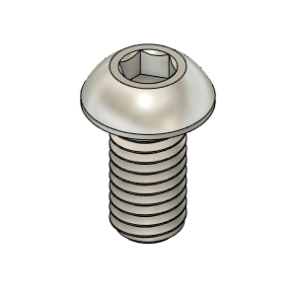 | M6X12_ButtonHeadScrew_91239A318 | Screw, ButtonHead - M6X12mm | Buy | 104 | 104 | 304 stainless |  | HevORT.com | www.HevORT.com | 9dbfcc793e57401dbc5d8c3a165629aa
FRAME | Hardware | 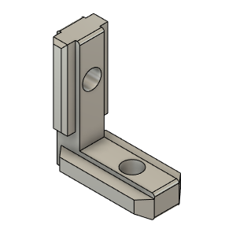 | 3030_int_L_joint | L Joint with grub screws **. | Buy | 26 | 26 | european standard with grub screws | ** Caution ** It is assumed that the L Joints you order have grub screws included. | HevORT.com | www.HevORT.com | 851924d309024d4881dbc6202dd92835
FRAME | Hardware | 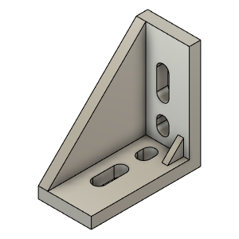 | 3030_Double_CornerBracket_Body | Bracket, Double - 3030 | Buy | 26 | 26 | thickened aluminium alloy |  | HevORT.com | www.HevORT.com | 913dcd58f877466ca2115e21970496d3
FRAME | BUY | 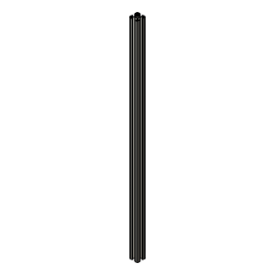 | VFL | Aluminum Extrusion_3030 T-Slot | Buy | 1 | 0 |  | Length defined by Frame Calculator | HevORT.com | www.HevORT.com | a9d8d4d62253419fba42b78b18fc3115
FRAME | BUY |  | VFR | Aluminum Extrusion_3030 T-Slot | Buy | 1 | 0 |  | Length defined by Frame Calculator | HevORT.com | www.HevORT.com | f3aff9cd84f94bf38bcc1a8787f28b4a
FRAME | BUY |  | VBR | Aluminum Extrusion_3030 T-Slot | Buy | 1 | 0 |  | Length defined by Frame Calculator | HevORT.com | www.HevORT.com | cafc665090094b37bc9eb55eb999c8d3
FRAME | BUY |  | VBL | Aluminum Extrusion_3030 T-Slot | Buy | 1 | 0 |  | Length defined by Frame Calculator | HevORT.com | www.HevORT.com | f3cf88d683b04198bbf3ec0fc7c6c422
FRAME | BUY | 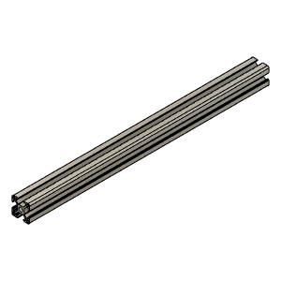 | HHR | Aluminum Extrusion_3030 T-Slot | Buy | 1 | 0 |  | Length defined by Frame Calculator | HevORT.com | www.HevORT.com | 131fce0417e84698877a6afd1174d132
FRAME | BUY | 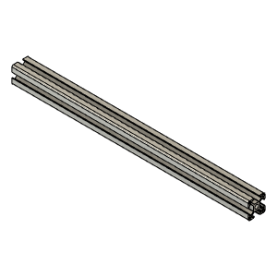 | HHF | Aluminum Extrusion_3030 T-Slot | Buy | 1 | 0 |  | Length defined by Frame Calculator | HevORT.com | www.HevORT.com | 7adf5e22c9e944deab7a9d80024d4ad4
FRAME | BUY |  | HHL | Aluminum Extrusion_3030 T-Slot | Buy | 1 | 0 |  | Length defined by Frame Calculator | HevORT.com | www.HevORT.com | 13b794fc16144537bb135fa4b246a462
FRAME | BUY |  | HHB | Aluminum Extrusion_3030 T-Slot | Buy | 1 | 0 |  | Length defined by Frame Calculator | HevORT.com | www.HevORT.com | b1a26e71638f454eaf5945dd61bbdc1d
FRAME | BUY |  | HMB | Aluminum Extrusion_3030 T-Slot | Buy | 1 | 0 |  | Length defined by Frame Calculator | HevORT.com | www.HevORT.com | 8e28bbd0d41f4161ae56ed39436019be
FRAME | BUY |  | HML | Aluminum Extrusion_3030 T-Slot | Buy | 1 | 0 |  | Length defined by Frame Calculator | HevORT.com | www.HevORT.com | 0dfcb57859de405aa2f530249043077d
FRAME | BUY |  | HLL | Aluminum Extrusion_3030 T-Slot | Buy | 1 | 0 |  | Length defined by Frame Calculator | HevORT.com | www.HevORT.com | 34ebf6dad67e466f978d832905715001
FRAME | BUY |  | HMR | Aluminum Extrusion_3030 T-Slot | Buy | 1 | 0 |  | Length defined by Frame Calculator | HevORT.com | www.HevORT.com | 437696d7e7ab4182bd6d9cc44cca5922
FRAME | BUY |  | XVF | Aluminum Extrusion_3030 T-Slot | Buy | 1 | 0 |  | Length defined by Frame Calculator | HevORT.com | www.HevORT.com | 2c5e06e0a2e341668c8a8c5105c85aa2
FRAME | BUY | 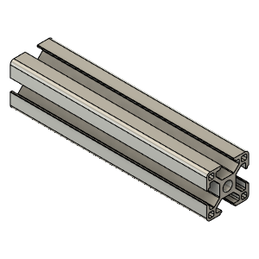 | XHLF | Aluminum Extrusion_3030 T-Slot | Buy | 1 | 0 |  | Length defined by Frame Calculator | HevORT.com | www.HevORT.com | fe8b5a7384764aeb8219ce7cad59f425
FRAME | BUY |  | XHLR | Aluminum Extrusion_3030 T-Slot | Buy | 1 | 0 |  | Length defined by Frame Calculator | HevORT.com | www.HevORT.com | b4011d4007764c13b96056c8af2f5799
FRAME | BUY |  | XHH | Aluminum Extrusion_3030 T-Slot | Buy | 1 | 0 |  | Length defined by Frame Calculator | HevORT.com | www.HevORT.com | caca50aa5bb94685a474995c3efc73b3
FRAME | BUY |  | HLR | Aluminum Extrusion_3030 T-Slot | Buy | 1 | 0 |  | Length defined by Frame Calculator | HevORT.com | www.HevORT.com | b50b5bdd6b4f47afb7a764ba1bf2e0d7
FRAME | BUY |  | XHLB | Aluminum Extrusion_3030 T-Slot | Buy | 1 | 0 |  | Length defined by Frame Calculator | HevORT.com | www.HevORT.com | 44dc136cfa534a2a9f48df63eda548cb
FRAME | BUY |  | XHHB | Aluminum Extrusion_3030 T-Slot | Buy | 1 | 0 |  | Length defined by Frame Calculator | HevORT.com | www.HevORT.com | 210d71f154344cc980e554c3b974bf34
FRAME | BUY |  | XVBR | Aluminum Extrusion_3030 T-Slot | Buy | 1 | 0 |  | Length defined by Frame Calculator | HevORT.com | www.HevORT.com | 55a46ec749824722ab0f340e0def5506
FRAME | BUY |  | XHHF | Aluminum Extrusion_3030 T-Slot | Buy | 1 | 0 |  | Length defined by Frame Calculator | HevORT.com | www.HevORT.com | 3a70420efa8e4a4fb2c6b9a977056982
FRAME | BUY |  | HLB | Aluminum Extrusion_3030 T-Slot | Buy | 1 | 0 |  | Length defined by Frame Calculator | HevORT.com | www.HevORT.com | 830f035c518a400e885dea3200d50878
FRAME | BUY |  | HLF | Aluminum Extrusion_3030 T-Slot | Buy | 1 | 0 |  | Length defined by Frame Calculator | HevORT.com | www.HevORT.com | 90868b020511444fa6a37e9339212b30
FRAME | BUY | 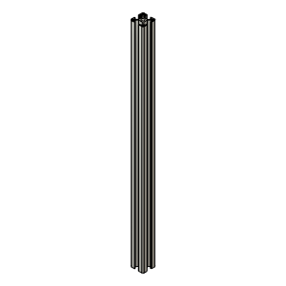 | VFL_ZRail (1) | Aluminum Extrusion_3030 T-Slot | Buy | 1 | 0 |  | Length defined by Frame Calculator | HevORT.com | www.HevORT.com | d318404ab0d6472dbc9eb43ee8c0e069
FRAME | BUY |  | VFR_ZRail (1) | Aluminum Extrusion_3030 T-Slot | Buy | 1 | 0 |  | Length defined by Frame Calculator | HevORT.com | www.HevORT.com | 91c39ac921514f4cbdcb3859ad08b813
FRAME | BUY | 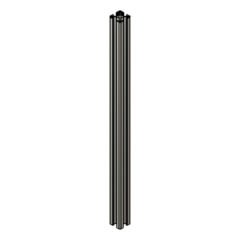 | VRR_ZRail | Aluminum Extrusion_3030 T-Slot | Buy | 1 | 0 |  | Length defined by Frame Calculator | HevORT.com | www.HevORT.com

